Emissions Factors
Emissions Factors & Sources
Password for all sheets: LIVE
Legend
Calculation tabs
 | Enter data if applicable (if outlined. Calculation tabs only)
 | Optional to enter data (if outlined. Calculation tabs only)
 | Calculation/result (not visible to user)
 | Constant from another tab used in a calculation (not visible to user)

Administrator Panel
 | Heading or text
SOURCE | Source: Review and update regularly
black text | Constant - will not change
red text | Data entry to verify and update regularly
grey text | Based on data entered (formula, etc.)
• Click + to expand or contract

Calendar
Year | 2024 | Jan | Feb | Mar | Apr | May | Jun | Jul | Aug | Sep | Oct | Nov | Dec | Jan
Start | 2024-01-01 | 2024-01-01 | 2024-02-01 | 2024-03-01 | 2024-04-01 | 2024-05-01 | 2024-06-01 | 2024-07-01 | 2024-08-01 | 2024-09-01 | 2024-10-01 | 2024-11-01 | 2024-12-01 | 2025-01-01
End | 2024-12-31 | 2024-01-31 | 2024-02-29 | 2024-03-31 | 2024-04-30 | 2024-05-31 | 2024-06-30 | 2024-07-31 | 2024-08-31 | 2024-09-30 | 2024-10-31 | 2024-11-30 | 2024-12-31 | 2025-01-31

Conversion Factors
lbs to MT | 0.00045359237
short tons to MT | 0.907185
lbs. to short tons | 0.0005
kg to lbs. | 2.20462

Common Combustion Emissions Factors (see below for common mobile combustion sources)
• Click + to expand

Electric Emissions Factor
• Click + to expand

Global Warming Potentials & Refrigerants

• Click + to expand

Refrigeration System Efficiency Factors

• Click + to expand

Mobile Combustion for Non-road Vehicles
• Click + to expand

Business Travel Emissions Factors
• Click + to expand
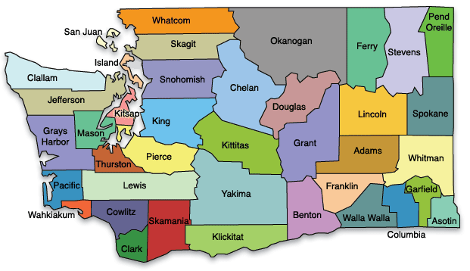
Freight Product Transport Emissions Factors (Upstream Transportation and Distribution and Downstream Transportation and Distribution)
• Click + to expand

Off-site Waste Emissions Factors
• Click + to expand

Packaging Materials
• Click + to expand

Vineyard Applications
• Click + to expand

Vineyard Land Management
• Click + to expand

Vinification (Wine Fermentation)
• Click + to expand

Updated in 2022 by Good Company

For graphics:
For graphic on freight transport and glass tabs |  |  |  |  |  |  |  |  | For graphic on business travel tab
 | Total CO₂e per unit | CO₂ (kg/MT-mile) | CO₂e of CH4 (kg/MT-mile) | CO₂e of N₂O (kg/MT-mile) |  |  |  |  |  | Total CO₂e per passenger-mile
Medium- and heavy-duty truck | 1.47 |  |  |  | Vehicle-miles |  |  |  | Intercity rail | 0.14
Passenger car* | 0.35 |  |  |  | Vehicle-miles |  |  |  | Commuter rail | 0.16
Light-duty truck** | 0.48 |  |  |  | Vehicle-miles |  |  |  | Transit rail | 0.12
Medium- and heavy-duty truck | 0.20 | 0.20 | 0.0001 | 0.0004 | Ton-miles converted to Metric ton-miles |  |  |  | Bus | 0.06
Rail | 0.02 | 0.02 | 0.0001 | 0.0002 | Ton-miles converted to Metric ton-miles |  |  |  | Air travel: less than 300 mile trip | 0.23
Waterborne Craft (Ocean freight) | 0.06 | 0.06 | 0.0000 | 0.0011 | Ton-miles converted to Metric ton-miles |  |  |  | Air travel: 300-2300 mile trip | 0.14
Aircraft | 1.32 | 1.31 | 0.0000 | 0.0107 | Ton-miles converted to Metric ton-miles |  |  |  | Air travel: 2300+ mile trip | 0.17
Average | 0.40 | 0.40 | 0.0000 | 0.0031 | Ton-miles converted to Metric ton-miles

Instructions
LIVE Greenhouse Gas (GHG) Inventory Workbook
This workbook is designed to facilitate your winery's tracking and understanding of its greenhouse gas emissions. The emissions categories are in separate worksheets and are organized as follows. Each emission category has its own worksheet, and are organized by color and scope. • Scope 1 Emissions: Stationary Combustion, Mobile Combustion, Refrigerants, Land Applications, and Land Management. • Scope 2 Emissions: Purchased Electricity. • Scope 3 Emissions: Packaging Materials, Business Travel, Freight Transport, and Off-site Waste. Scope 1 and 2 reporting is REQUIRED to complete the workbook if applicable to your organization. Scope 3 is optional, but highly encouraged to get a better understanding of the emissions associated with your activities. Emissions from carbon dioxide, methane, nitrous oxide, and refrigerants are calculated in metric tons of carbon dioxide equivalent, MT CO₂e.
What do I need to fill out?
Fill out all turquoise cells that apply to you.
If the cell is white, it's optional!
Do you see a Tool? We've added some helpful tools throughout to easily convert units and prorate activity data. Feel free to change these numbers. Don't need it? Skip it.

Notes for wineries: |  |  | Notes for vineyards:
Do not expect to fill out every sheet. Focus on: Stationary, mobile, refrigerants, and electricity, then packaging, business travel, freight, and waste as data is available. |  |  | Do not expect to fill out every sheet. Focus on: Stationary, mobile, land applications, land management, and electricity, then business travel, freight, and waste as data is available. Aim for whole farm data whenever possible, and note any areas of vineyard only data. Bigger picture is better!


Additional notes:
• Read the introductory text for each emissions category. It includes details on whether the category is required, a description of the category, and what data are necessary to account for your emissions. • Save and organize and all records (receipts, logs, bills, etc.) used for your GHG inventory in one location, to facilitate the verification process. • Estimates are ok! Aim for a balance of accuracy, convenience, and what you are capable of documenting. No inventory is perfect. Note special circumstance and fill out what you can. If you are missing data one year, figure out a system and aim to collect it for the next. • Does the LIVE member use a management company? Focus data collection on what happens at the site and what is critical for operations. • Submit your completed workbook by uploading it to your winery records on the LIVE website, or emailing it to info@liveinc.org. For questions or assistance with the data collection process, please feel free to contact LIVE at 503-584-7274 or admin@livecertified.org. Thank you for using this workbook. This workbook was updated by Good Company in 2020 with contributions from LIVE representatives and members. Let us know how we can keep improving it!

 |  | Password for all sheets: LIVE
 | www.goodcompany.com | Emissions Factors sheet is hidden; must manually unhide.

Packaging Materials
 | Packaging Materials |  |  |  |  |  |  | Password: LIVE
 | Category emissions: |  | 0.00 | MT CO2e |  |  |  | Did you know that single-use glass bottles are high in carbon emissions? Consider different packaging!
 | SCOPE 3
 | Packaging Materials is an optional category for your GHG inventory. Various packaging materials have many benefits, but glass production and transportation are carbon-intensive processes. The packaging component should be included for all wineries if possible unless you are not responsible for the bottling process. Account for all materials purchased in the calendar year regardless of use. Emissions are approximate, and for production actual amounts will vary based on specific furnace energy sources, equipment efficiency, exact shipping distance/method, additives, etc. Cans, plastics, and other containers are less carbon intensive than glass; not all packaging options are included in this calculator. For glass, use the table below to estimate recycled content for column F. Glass typically contains a minimum of 5% recycled content. Enter product origin in Column G to determine approximate shipping distance from supplier to the Pacific Northwest. Note: shipping of products to consumer is not included in this tab - use the freight transport tab. |  |  |  |  |  | 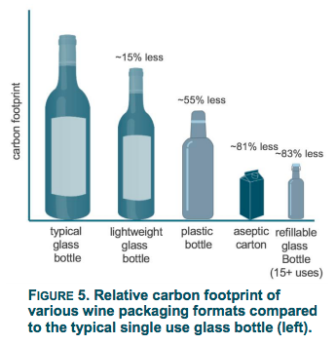
 | Country of origin: | Typical amount of cullet (recycled glass): | Recycled content varies greatly by supplier. Use this guide only if you can not find the specifications from your supplier.
 | Domestic | 30%
 | Mexico | 30%
 | China and Eastern Asia | 5% |  |  |  |  |  | Graphic source: Oregon DEQ
 | Western Europe | 45% |  |  |  |  |  | https://www.oregon.gov/deq/FilterDocs/PEF-Wine-FullReport.pdf
 | Other/Unknown | 5%

 | Tool:
 | Convert ounces to grams: |  | ounces
 | = | 0 | grams

 | Cardboard Emissions Calculation
 |  |  |  |  |  |  |  |  |  | MT CO₂e
 | Pounds of carboard purchased: |  | lbs. |  |  |  |  |  |  | -

 | Aluminum Cans Emissions Calculation
 |  |  |  | Approximate number of cans |  |  |  |  |  | MT CO₂e
 | Cases of cans, 375mL |  | cases | 0 | cans |  |  |  |  | -

 | Glass Emissions Calculation
 | Enter the amount of each bottle type purchased for the calendar year.
 | Bottle Type (drop-down) | Individual bottle weight in grams | Number of bottles in a case | Number of cases | % cullet (recycled content) (drop-down) | Shipped from/Product Origin (drop-down) | Shipping method (drop-down) | Shipping emissions MT CO₂e | Glass production emissions MT CO₂e | MT CO₂e
1 |  | Select bottle type |  |  |  |  |  |  |  | -
2 |  | Select bottle type |  |  |  |  |  |  |  | -
3 |  | Select bottle type |  |  |  |  |  |  |  | -
4 |  | Select bottle type |  |  |  |  |  |  |  | -
5 |  | Select bottle type |  |  |  |  |  |  |  | -
6 |  | Select bottle type |  |  |  |  |  |  |  | -
7 |  | Select bottle type |  |  |  |  |  |  |  | -
8 |  | Select bottle type |  |  |  |  |  |  |  | -
9 |  | Select bottle type |  |  |  |  |  |  |  | -
10 |  | Select bottle type |  |  |  |  |  |  |  | -
11 | Custom/other |  |  |  |  |  |  |  |  | -
12 | Custom/other |  |  |  |  |  |  |  |  | -
13 | Custom/other |  |  |  |  |  |  |  |  | -
14 | Custom/other |  |  |  |  |  |  |  |  | -
15 | Custom/other |  |  |  |  |  |  |  |  | -
16 | Custom/other |  |  |  |  |  |  |  |  | -
17 | Custom/other |  |  |  |  |  |  |  |  | -
18 | Custom/other |  |  |  |  |  |  |  |  | -
19 | Custom/other |  |  |  |  |  |  |  |  | -
20 | Custom/other |  |  |  |  |  |  |  |  | -

 | Other Material Emissions Calculation
 | Have a different material you would like to include? Enter that here. Make sure the unit emissions factor and number of units match. Example: emissions (in MT CO2e) per carton and number of cartons.
 | Material description |  | Emissions factor |  | Number of units |  |  |  |  | MT CO₂e
 | Enter name |  |  | MT CO2e / unit |  |  |  |  |  | -
 | Enter name |  |  | MT CO2e / unit |  |  |  |  |  | -

 | Notes

Business Travel
Travel emissions per passenger-mile (in MT CO2e)
 | 0.14
Commuter rail | 0.16
Transit rail | 0.12
Bus | 0.06
Air travel: less than 300 mile trip | 0.23
Air travel: 300-2300 mile trip | 0.14
Air travel: 2300+ mile trip | 0.17
Business Travel - Contracted, Rented, or Ticketed Travel |  |  |  |  |  |  |  |  |  |  |  |  | Password: LIVE
Category emissions: |  | 0.00 | MT CO2e
SCOPE 3
Business travel is an optional category for your GHG inventory. This category captures emissions related to the travel you, your employees, or management company perform(s) in vehicles that are not owned by your organization. This includes travel in airplanes, trains, or personal vehicles used for all business-related events. This section also applies for contracted travel, including vineyard management company travel. To calculate GHG emissions related to business travel, you will need to capture mileage information for all business trips made by you and your employees. List all mileage for business travel below; do your best to define the specific type of vehicle used.

Tool:
Management company activity estimator for vehicles and equipment used for multiple members:
Acres managed for this LIVE member:
Total acres managed:
Total annual travel:
Estimated miles for this LIVE member: |  |  |  |  | Enter data above

Business Travel Emissions Calculation
Enter total mileage in the table. You may enter data either by the month or as a year-end total (in any one month). |  |  |  |  |  |  |  |  |  |  |  |  |  | Travel mode has a significant impact on emissions. The graphic above shows how the average emissions per passenger-mile varies greatly by mode.
Vehicle Type* | Jan | Feb | Mar | Apr | May | Jun | Jul | Aug | Sep | Oct | Nov | Dec | MT CO2e
Passenger car |  |  |  |  |  |  |  |  |  |  |  |  | - | SOURCE: EPA Emissions Factors for Greenhouse Gas Inventories. TABLE 8. March 9 2018.
Light-duty truck |  |  |  |  |  |  |  |  |  |  |  |  | - | https://www.epa.gov/sites/production/files/2018-03/documents/emission-factors_mar_2018_0.pdf
Motorcycle |  |  |  |  |  |  |  |  |  |  |  |  | -
Intercity rail |  |  |  |  |  |  |  |  |  |  |  |  | -
Commuter rail |  |  |  |  |  |  |  |  |  |  |  |  | -
Transit rail |  |  |  |  |  |  |  |  |  |  |  |  | -
Bus |  |  |  |  |  |  |  |  |  |  |  |  | -
Air travel: less than 300 mile trip |  |  |  |  |  |  |  |  |  |  |  |  | -
Air travel: 300-2300 mile trip |  |  |  |  |  |  |  |  |  |  |  |  | -
Air travel: 2300+ mile trip |  |  |  |  |  |  |  |  |  |  |  |  | -

*Descriptions:
Passenger car: Includes passenger cars, minivans, SUVs, and small pickup trucks (vehicles with wheelbase less than 121 inches).
Light-duty trucks: Includes full-size pickup trucks, full-size vans, and extended-length SUVs (vehicles with wheelbase greater than 121 inches).
Intercity rail: Long-distance rail between major cities, such as Amtrak
Commuter rail: Rail service between a central city and adjacent suburbs (also called regional rail or suburban rail)
Transit rail: Rail typically within an urban center, such as subways, elevated railways, metropolitan railways (metro), streetcars, etc.
Notes

Freight Transport
Freight emissions per metric ton-mile (in MT CO2e)
Medium- and heavy-duty truck | 0.20
Rail | 0.02
Waterborne Craft (Ocean freight) | 0.06
Aircraft | 1.32
Freight Transport |  |  |  |  |  | Password: LIVE
Category emissions: |  | 0.00 | MT CO2e |  |  |  | Shipping method matters!
SCOPE 3
Freight transport is an optional category for your GHG inventory. If you would like to include emissions relating to the distribution of your product from your facility, you can collect the pertinent data here. To calculate freight transport emissions, you will need to input: trip date or ID; a brief description; units; transport mode; trip mileage; and, if the transport included products from other companies, the weight (in short tons) of your transported product.

Tool:
Convert lbs. to short tons: |  |  | lbs.
 | = | 0.00 | short tons

Freight Transport Emissions Calculation
Enter freight transport data in the table below. Select the appropriate trip unit and transport mode from the drop-down list. For trip units: • Use vehicle-miles when the entire vehicle is dedicated to transporting your product. When using vehicle-miles, do not enter product weight. • Use ton-miles when the vehicle is shared with products from other companies. Ton-miles calculate only your portion of the trip. To calculate ton-miles, simply multiply the distance by number of tons, e.g. 2 tons at 100 miles = 200 ton-miles. Ton-miles are not compatible with passenger vehicles. |  |  |  |  |  |  | Freight mode has a significant impact on emissions. The graphic above shows how the average emissions per metric ton-mile varies greatly by mode.
Trip date or ID | Description | Unit (drop-down) | Transport Mode (drop-down) | Mileage or ton-miles | Product Weight (short tons) | Trip MT CO2e | SOURCE: EPA Emissions Factors for Greenhouse Gas Inventories. TABLE 9. March 9 2018.
 |  |  |  |  |  |  | https://www.epa.gov/sites/production/files/2018-03/documents/emission-factors_mar_2018_0.pdf

Need more space? Click on the plus sign to the left! (Password: LIVE)
*Passenger car includes passenger cars, minivans, SUVs, and small pickup trucks (vehicles with wheelbase less than 121 inches).
**Light-duty truck includes full-size pickup trucks, full-size vans, and extended-length SUVs (vehicles with wheelbase greater than 121 inches).

Notes

Report
Emissions and Sequestration
 | Emissions | Sequestration, offsets, or credits
Stationary Combustion | 0.0 | 0.0
Mobile Combustion | 0.0
Refrigerants | 0.0
Vineyard Applications | 0.0 | 0.0
Vineyard Land Management | 0.0 | 0.0
Purchased Electricity** | 0.0 | 0.0
Packaging Materials | 0.0
Business Travel | 0.0
Freight Transport | 0.0
Off-site Waste | 0.0
Your Winery/Vineyard | 2024 Greenhouse Gas Emissions Report |  |  |  |  | Password: LIVE
Displaying the wrong year? Change the year in the "General" tab.

Offsets Purchased for inventory year: |  |  | MT CO2e | E.g. Third-party vendors
Other Sequestration: |  |  | MT CO2e | E.g. Permanently captured CO2 from fermentation

2024 GHG Inventory |  | 0.0 | MT CO₂e total emissions

Scope 1 |  | 0.0 | MT CO2e | These emissions are in your direct control
Scope 2 |  | 0.0 | MT CO2e | Don't forget that you can purchase green power
Scope 3 |  | 0.0 | MT CO2e | Look for alternatives to lower these emissions

Biogenic combustion* |  | 0.0 | MT CO2e | Part of the natural carbon cycle
Vinification/wine fermentation* |  | 0.0 | MT CO2e | Must enter cases of wine in General tab. Part of the natural carbon cycle
Carbon sequestration |  | 0.0 | MT CO2e | Vegetation absorbing carbon dioxide
Credits and Offsets |  | 0.0 | MT CO2e | Smart purchase options to lower your emissions

Intensity Metrics |  |  |  | Must enter data in General tab
Per case of wine (assumes 12 750mL bottles) |  |  | MT CO2e
Per acre of vineyard |  |  | MT CO2e
Per acre of whole farm |  |  | MT CO2e
Per ton of fruit produced |  |  | MT CO2e

Emissions by Category |  | Emissions | Sequestration, offsets, or credits

Stationary Combustion |  | 0.0 | 0.0 | MT CO2e
Mobile Combustion |  | 0.0 |  | MT CO2e
Refrigerants |  | 0.0 |  | MT CO2e
Vineyard Applications |  | 0.0 | 0.0 | MT CO2e
Vineyard Land Management |  | 0.0 | 0.0 | MT CO2e
Purchased Electricity** |  | 0.0 | 0.0 | MT CO2e
Packaging Materials |  | 0.0 |  | MT CO2e
Business Travel |  | 0.0 |  | MT CO2e
Freight Transport |  | 0.0 |  | MT CO2e
Off-site Waste |  | 0.0 |  | MT CO2e
 | Total | 0.0 | 0.0 | MT CO2e
 |  |  | Includes sequestration, credits, and offsets
As a point of comparison to your results, we are including the emissions sources and relative percentages of impact from an analysis completed by California Sustainable Winegrowing Alliance (see image on the right). Winery emissions are centered on fuel/stationary combustion (Scope 1) and electricity consumption (Scope 2). A much larger concentration of emissions occurs at other stages of the supply chain (vineyard) and product lifecycle (packaging and transport). Choices made by your winery can influence the impacts on how large these other emissions sources are by choosing the transportation mode, glass type and the type of field fertilizers and amendment approaches. You can reduce the emissions for your winery with onsite renewable energy installation, greenpower or the purchase of renewable energy credits (RECs), carbon offsets, or choosing alternative fuels for owned vehicles or choosing a greater percentage of transport in lower emissions options (e.g. rail vs. air).

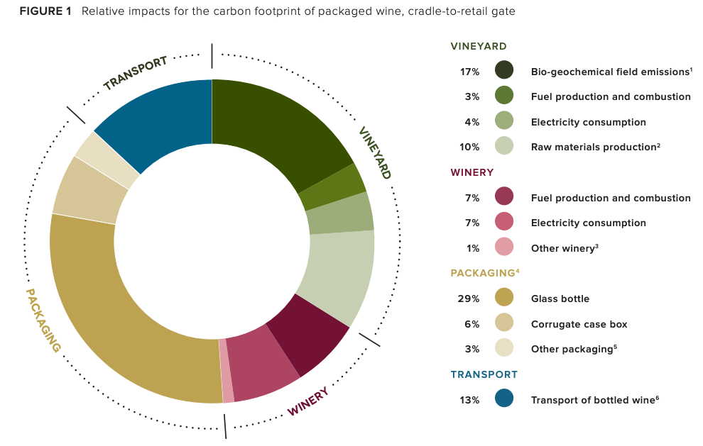

 |  |  |  |  | Graphic source: | http://www.sustainablewinegrowing.org/docs/California_Wine_Executive_Summary.pdf
*Emissions from biomass and organic material such as decomposing vegetation, fermentation, or combustion of ethanol or biodiesel. Not included in total emissions.
**Emissions calculated for electricity are based on the NWPP and will be accurate for all pacific northwest wineries. See link below for map.
https://www.epa.gov/energy/egrid-subregion-representational-map

Report Notes
Please give some context. What should LIVE know about this year?

