Instructions and Contents
The LIVE Social Sustainability Index
This index is the result of research and collaboration by Linfield University faculty, students, and LIVE staff. The researchers referenced multiple sustainability certifications (see Appendix C), and a working group made up of wine industry and social sustainability experts provided feedback to arrive at this comprehensive and aspirational document. |  | Your Business Name and Description (vineyard, winery, both, etc.) | Year

We understand that not all of the items in this document will apply to your winery or vineyard, but please feel free to use what you feel works for you, your workforce, your customers, and community. We ask that you fill this out at the brand level, that is, not to separate the answers between vineyard and winery if you control the operations of both. If you do not have a public-facing business, or have a very small business, some of these items may not apply. If you contract with labor, do your best to answer on their behalf based on what you can gather from speaking with them. Some of the items will be similar to those on the LIVE vineyard or winery checklists, but their wording may differ slightly. Eventually we will incorporate the more critical items in this index with our main standard and match the language. This is a work in progress, so please enter notes and feedback and we will revise as appropriate. We are listening. |  | Contact Name and Info (email, phone, etc.)
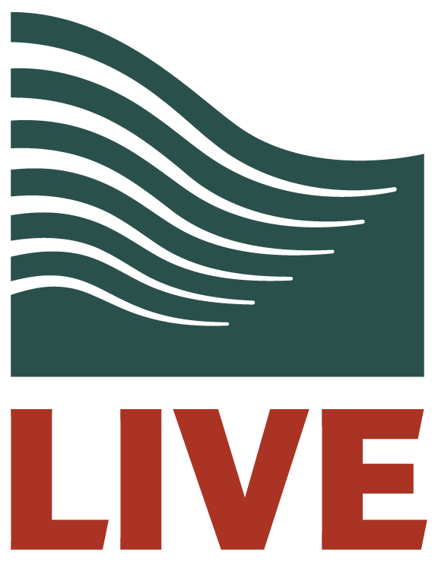
Contents
1 | Organizational Culture, Mission, and Values
2 | Commitment to Sustainability
3 | Human Rights
4 | Diversity, Equity, and Inclusion (DEI)
5 | Employee Recruitment, Hiring, Orientation and Onboarding
6 | Employee Remuneration
7 | Employee Training and Development
8 | Employee Communication
9 | Employee Motivation and Engagement
10 | Workforce Wellbeing
11 | Employee Health and Safety
12 | Customer Health and Safety
13 | Community Engagement, Investment, and Relations

